Template
Tax Revenue Trend Chart Template
All tax revenue
Total tax revenue

 | All tax revenue
 | 158084
 | Total tax revenue
 | 83858

Line chart of Annual Tax Total Trend
 | Amount to
Jan | 13,359
Feb | 19,096
Mar | 12,868
Apr | 15,595
May | 17,493
Jun | 7,827
Jul | 7,553
Aug | 16,407
Sep | 6,332
Oct | 10,444
Nov | 14,812
Dec | 16,298

All tax revenue | 158084
Total tax revenue | 83858
 | Total tax revenue
Jan | 5,574
Feb | 11,574
Mar | 5,574
Apr | 9,574
May | 10,574
Jun | 1,644
Jul | 1,474
Aug | 11,574
Sep | 1,574
Oct | 5,574
Nov | 9,574
Dec | 9,574
Main income and total proportion
Total Other Income Classification

Other Taxes A | 53,801
Other Taxes B | 13,883
Other Taxes C | 6,542

Edit Data

Instructions
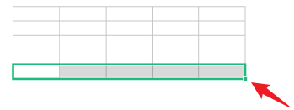
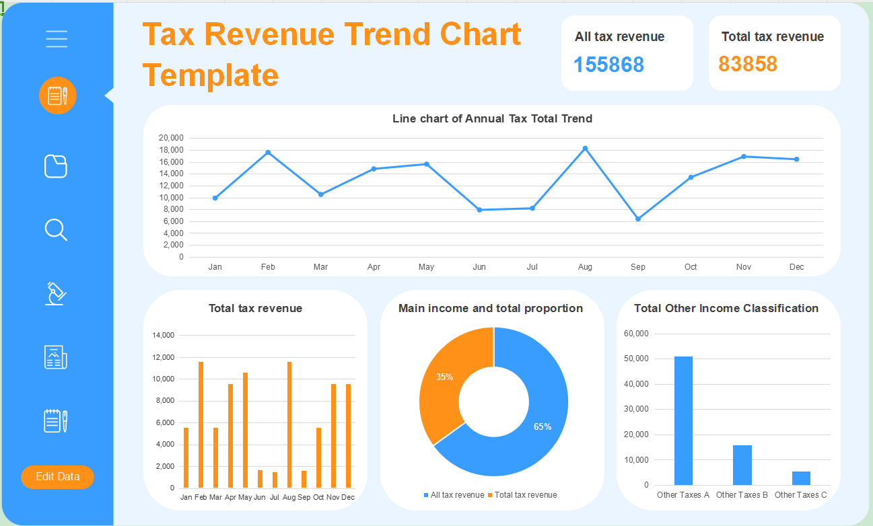
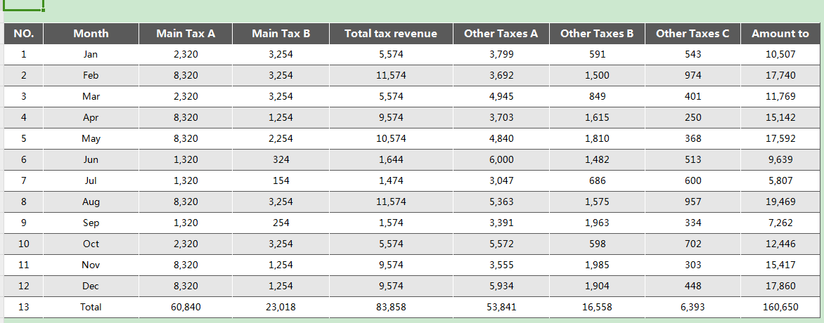
Docer Table Template Instructions
(This is the operating instructions page, you can use this template according to the instructions)
02
Instructions
01
Basic Operating Guidelines
· How to unprotect sheet?
1. Select Worksheet.
2. Click:「Review --- Unprotect Sheet」.
1. Select cells that display data.
2. Put the mouse in the bottom right corner, and when the arrow changes to a black cross, pull down the cells and the formula will cover the blank row area.
1. Select the last row of the table, and put the mouse in the bottom right corner of the selected area.
2. When the mouse arrow changes to a black cross, click the left button to drop down.
3. If the cells cannot be selected, it is recommended to check whether "Unprotect Sheet" is displayed in "Review" Tab. If it appears, please click on "Unprotect Sheet" ，to return to the table and continue the operation.
· How to increase row numbers in table
· How to use the template
This table is a visual data graph, which varies according to the changes in the data. All data graphs in the data table have automatic calculation functions, and the data is automatically obtained from the data.
Edit 'Edit Data' to directly jump to the data page

· What should I do if the formula cannot display properly when I input content in a blank line?

